Q18
Products with associated supplier names We’d like to show, for each product, the associated Supplier. Show the ProductID, ProductName, and the CompanyName of the Supplier. Sort by ProductID. This question will introduce what may be a new concept, the Join clausein SQL. The Join clause is used to join two or more relational database tables together in a logical way. Here’s a data model of the relationship between Products and Suppliers.

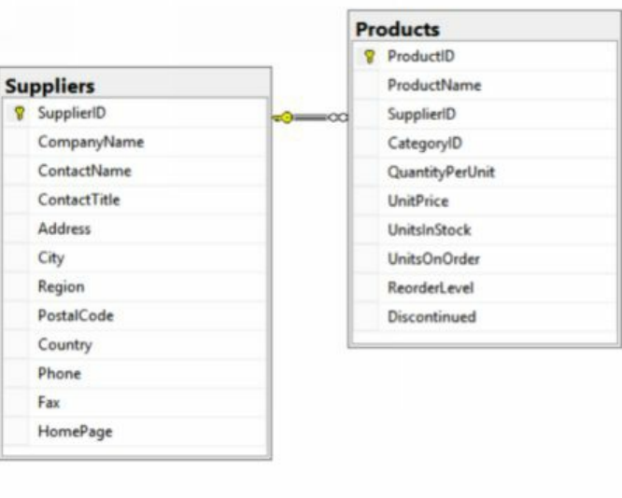

Product_ID | Product_Name | Company_name
2 | Chang | Exotic Liquids
3 | Aniseed Syrup | Exotic Liquids
4 | Chef Anton's Cajun Seasoning | New Orleans Cajun Delights
5 | Chef Anton's Gumbo Mix | New Orleans Cajun Delights
65 | Louisiana Fiery Hot Pepper Sauce | New Orleans Cajun Delights
66 | Louisiana Hot Spiced Okra | New Orleans Cajun Delights
6 | Grandma's Boysenberry Spread | Grandma Kelly's Homestead
7 | Uncle Bob's Organic Dried Pears | Grandma Kelly's Homestead
8 | Northwoods Cranberry Sauce | Grandma Kelly's Homestead
9 | Mishi Kobe Niku | Tokyo Traders
10 | Ikura | Tokyo Traders
74 | Longlife Tofu | Tokyo Traders
11 | Queso Cabrales | Cooperativa de Quesos 'Las Cabras'
12 | Queso Manchego La Pastora | Cooperativa de Quesos 'Las Cabras'
13 | Konbu | Mayumi's
14 | Tofu | Mayumi's
15 | Genen Shouyu | Mayumi's
16 | Pavlova | Pavlova, Ltd.
17 | Alice Mutton | Pavlova, Ltd.
18 | Carnarvon Tigers | Pavlova, Ltd.
63 | Vegie-spread | Pavlova, Ltd.
70 | Outback Lager | Pavlova, Ltd.
1 | Chai | Specialty Biscuits, Ltd.
19 | Teatime Chocolate Biscuits | Specialty Biscuits, Ltd.
20 | Sir Rodney's Marmalade | Specialty Biscuits, Ltd.
21 | Sir Rodney's Scones | Specialty Biscuits, Ltd.
68 | Scottish Longbreads | Specialty Biscuits, Ltd.
22 | Gustaf's Knäckebröd | PB Knäckebröd AB
23 | Tunnbröd | PB Knäckebröd AB
24 | Guaraná Fantástica | Refrescos Americanas LTDA
25 | NuNuCa Nuß-Nougat-Creme | Heli Süßwaren GmbH & Co. KG
26 | Gumbär Gummibärchen | Heli Süßwaren GmbH & Co. KG
27 | Schoggi Schokolade | Heli Süßwaren GmbH & Co. KG
28 | Rössle Sauerkraut | Plutzer Lebensmittelgroßmärkte AG
29 | Thüringer Rostbratwurst | Plutzer Lebensmittelgroßmärkte AG
64 | Wimmers gute Semmelknödel | Plutzer Lebensmittelgroßmärkte AG
75 | Rhönbräu Klosterbier | Plutzer Lebensmittelgroßmärkte AG
77 | Original Frankfurter grüne Soße | Plutzer Lebensmittelgroßmärkte AG
30 | Nord-Ost Matjeshering | Nord-Ost-Fisch Handelsgesellschaft mbH
31 | Gorgonzola Telino | Formaggi Fortini s.r.l.
32 | Mascarpone Fabioli | Formaggi Fortini s.r.l.
72 | Mozzarella di Giovanni | Formaggi Fortini s.r.l.
33 | Geitost | Norske Meierier
69 | Gudbrandsdalsost | Norske Meierier
71 | Flotemysost | Norske Meierier
34 | Sasquatch Ale | Bigfoot Breweries
35 | Steeleye Stout | Bigfoot Breweries
67 | Laughing Lumberjack Lager | Bigfoot Breweries
36 | Inlagd Sill | Svensk Sjöföda AB
37 | Gravad lax | Svensk Sjöföda AB
73 | Röd Kaviar | Svensk Sjöföda AB
38 | Côte de Blaye | Aux joyeux ecclésiastiques
39 | Chartreuse verte | Aux joyeux ecclésiastiques
40 | Boston Crab Meat | New England Seafood Cannery
41 | Jack's New England Clam Chowder | New England Seafood Cannery
42 | Singaporean Hokkien Fried Mee | Leka Trading
43 | Ipoh Coffee | Leka Trading
44 | Gula Malacca | Leka Trading
45 | Rogede sild | Lyngbysild
46 | Spegesild | Lyngbysild
47 | Zaanse koeken | Zaanse Snoepfabriek
48 | Chocolade | Zaanse Snoepfabriek
49 | Maxilaku | Karkki Oy
50 | Valkoinen suklaa | Karkki Oy
76 | Lakkalikööri | Karkki Oy
51 | Manjimup Dried Apples | G'day, Mate
52 | Filo Mix | G'day, Mate
53 | Perth Pasties | G'day, Mate
54 | Tourtière | Ma Maison
55 | Pâté chinois | Ma Maison
56 | Gnocchi di nonna Alice | Pasta Buttini s.r.l.
57 | Ravioli Angelo | Pasta Buttini s.r.l.
58 | Escargots de Bourgogne | Escargots Nouveaux
59 | Raclette Courdavault | Gai pâturage
60 | Camembert Pierrot | Gai pâturage
61 | Sirop d'érable | Forêts d'érables
62 | Tarte au sucre | Forêts d'érables

